Images
 |  |  |  |  |  | Reconstruction Method Visual Comparison


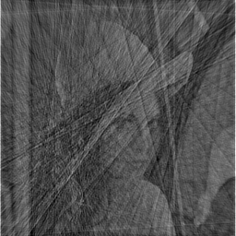

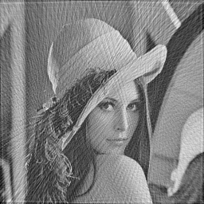

 | 10% Sampling |  |  |  | 25% Sampling |  |  |  | 50% Sampling |  |  |  | 75% Sampling |  |  |  | 100% Sampling |  |  |  | Avg. PSNR | Avg. SSIM
 |  |  |  |  |  |  |  |  |  |  |  |  |  |  |  |  |  |  |  |  | 12.9514 | 0.459534
NUDFT |  |  |  |  |  |  |  |  |  |  |  |  |  |  |  |  |  |  |  |  | 16.6875 | 0.699442
 |  |  |  |  |  |  |  |  |  |  |  |  |  |  |  |  |  |  |  |  | 21.7007 | 0.883936
 |  |  |  |  |  |  |  |  |  |  |  |  |  |  |  |  |  |  |  |  | 23.8928 | 0.938964
 |  |  |  |  |  |  |  |  |  |  |  |  |  |  |  |  |  |  |  |  | 26.1523 | 0.966716

 |  |  |  |  |  |  |  |  |  |  |  |  |  |  |  |  |  |  |  |  | Avg. PSNR | Avg. SSIM
 |  |  |  |  |  |  |  |  |  |  |  |  |  |  |  |  |  |  |  |  | 10.0101 | 0.340753
 |  |  |  |  |  |  |  |  |  |  |  |  |  |  |  |  |  |  |  |  | 17.2121 | 0.769819
 |  |  |  |  |  |  |  |  |  |  |  |  |  |  |  |  |  |  |  |  | 21.4814 | 0.89144
 |  |  |  |  |  |  |  |  |  |  |  |  |  |  |  |  |  |  |  |  | 24.2066 | 0.939804
 |  |  |  |  |  |  |  |  |  |  |  |  |  |  |  |  |  |  |  |  | 25.8743 | 0.961685
 | PSNR = | 12.9514 | SSIM = | 0.459534 | PSNR = | 16.6875 | SSIM = | 0.699442 | PSNR = | 21.7007 | SSIM = | 0.883936 | PSNR = | 23.8928 | SSIM = | 0.938964 | PSNR = | 26.1523 | SSIM = | 0.966716
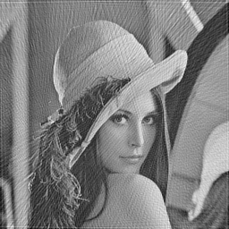

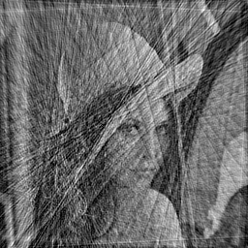
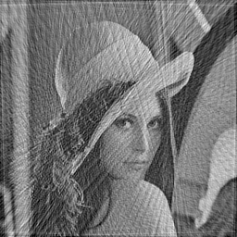

NUFFT

 | PSNR = | 10.0101 | SSIM = | 0.340753 | PSNR = | 17.2121 | SSIM = | 0.769819 | PSNR = | 21.4814 | SSIM = | 0.89144 | PSNR = | 24.2066 | SSIM = | 0.939804 | PSNR = | 25.8743 | SSIM = | 0.961685

